Spur Analysis
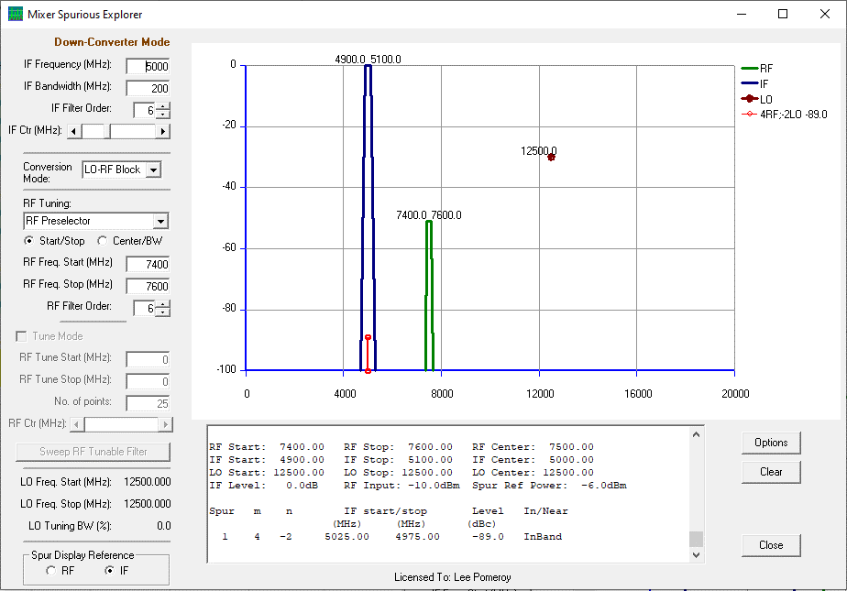
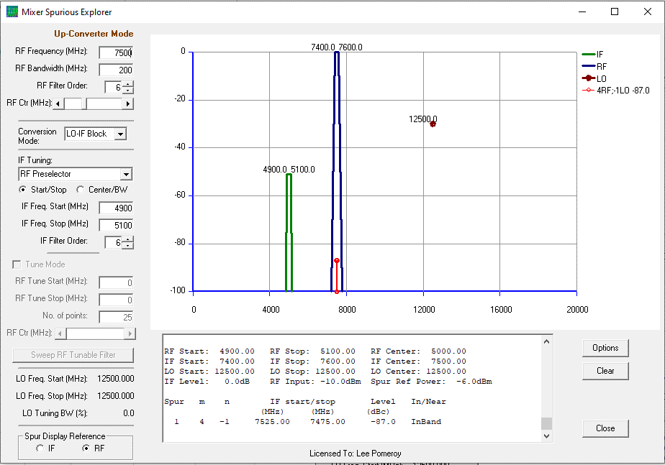
Band | RF(L) | RF(H) | BW | LO | SUM(L) | SUM(H) | DIFF(L) | DIFF(H) | IMG_SUM(L) | IMG_SUM(H) | IMG_DIFF(L) | IMG_DIFF(H) | In-band Spur Mechanisms (w.c.)
Rx Min. | 5700 | 5900 | 200 | 10800 | 16500 | 16700 | 4900 | 5100 | -5700 | -5900 | 15700 | 15900 | 2LOx4RF, 3LOx6RF, 4LOx6RF
Rx Max. | 7800 | 8000 | 200 | 12900 | 20700 | 20900 | 4900 | 5100 | -7800 | -8000 | 17800 | 18000

Band | IF(L) | IF(H) | BW | LO | SUM(L) | SUM(H) | DIFF(L) | DIFF(H) | IMG_SUM(L) | IMG_SUM(H) | IMG_DIFF(L) | IMG_DIFF(H) | In-band Spur Mechanisms (w.c.)
Tx Min. | 4900 | 5100 | 200 | 10800 | 15700 | 15900 | 5700 | 5900 | -4900 | -5100 | 16500 | 16700 | 1LOx4RF, 2LOx6RF, 3LOx6RF
Tx Max. | 4900 | 5100 | 200 | 12900 | 17800 | 18000 | 7800 | 8000 | -4900 | -5100 | 20700 | 20900

W.c. spur analysis below uses the LTC5548 "X2 = Low" spur table. Assumption is LO power = 0 dBm nom., RF power = -10 dBm max.

Rx w.c.: |  |  |  |  |  |  |  |  |  |  |  | Tx w.c.:

